Cover
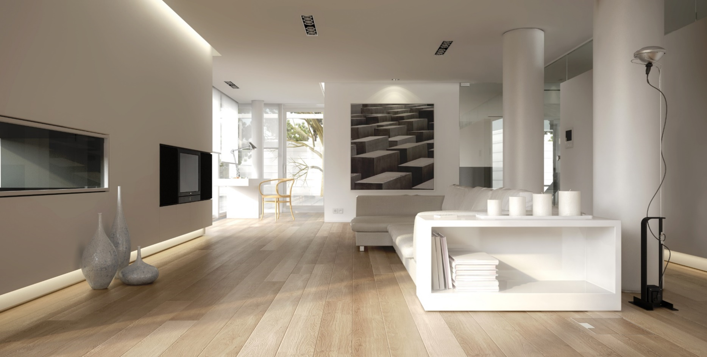
 | Wood Floors

Dealer Price List

January 2026

Legacy Mouldings
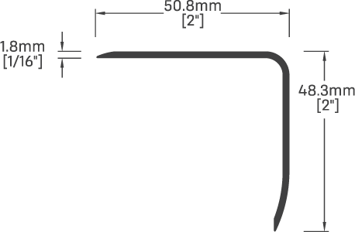
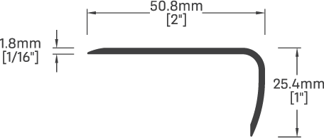
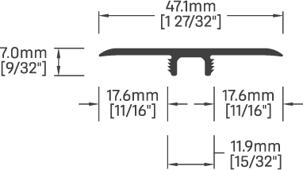
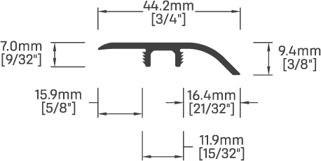
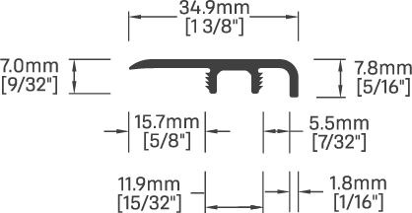
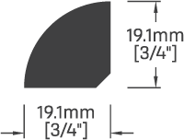
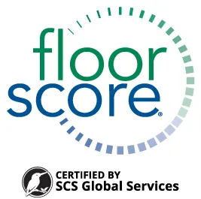
Customer Service
Calgary - Ph: (403) 219-3303 or 1-888-219-3303
Edmonton - Ph: (780) 444-9000 or 1-800-667-6687
Vancouver - Ph: (604) 523-2235 or 1-877-655-2235
MOULDING PRICE PAGE
SUTTON COLLECTION SPC 6.5mm
Collection | Décor Name | SKU | T-Molding w/track 94" | End Cap w/ track 94" | Reducer w/track 94" | Stairnose w/shim 94" | Stairnose Max w/shim 94" | Quarter Round 94"
Sutton | Sadie | TLS1002 | TM-A24945 | EC-A24945 | RE-A24945 | SN-C24945 | SX-C24945 | QR-H24945
Sutton | Santiago | TLS1004 | TM-A24946 | EC-A24946 | RE-A24946 | SN-C24946 | SX-C24946 | QR-H24946
Sutton | Savannah | TLS1006 | TM-A24947 | EC-A24947 | RE-A24947 | SN-C24947 | SX-C24947 | QR-H24947
 |  |  | $39.50 | $39.50 | $39.50 | $45.50 | $59.50 | $29.50

LUXURA COLLECTION LAMINATE 12mm
Collection | Décor Name | SKU | T-Molding w/track 94" | End Cap w/ track 94" | Reducer w/track 94" | Stairnose w/shim 94" | Stairnose Max w/shim 94" | Quarter Round 94"
Luxura | Lakelyn | TLL2220 | TM-A25014 | EC-A25014 | RE-A25014 | SN-B25014 | SX-B25014 | QR-H25014
Luxura | Lawson | TLL2222 | TM-A25015 | EC-A25015 | RE-A25015 | SN-B25015 | SX-B25015 | QR-H25015
Luxura | Leland | TLL2224 | TM-A25016 | EC-A25016 | RE-A25016 | SN-B25016 | SX-B25016 | QR-H25016
Luxura | Lennox | TLL2226 | TM-A25017 | EC-A25017 | RE-A25017 | SN-B25017 | SX-B25017 | QR-H25017
Luxura | Leela | TLL2341 | TM-A25018 | EC-A25018 | RE-A25018 | SN-B25018 | SX-B25018 | QR-H25018
Luxura | Leilani | TLL2343 | TM-A25019 | EC-A25019 | RE-A25019 | SN-B25019 | SX-B25019 | QR-H25019
Luxura | Livia | TLL2345 | TM-A25020 | EC-A25020 | RE-A25020 | SN-B25020 | SX-B25020 | QR-H25020
Luxura | London | TLL2347 | TM-A25021 | EC-A25021 | RE-A25021 | SN-B25021 | SX-B25021 | QR-H25021
 |  |  | $39.50 | $39.50 | $39.50 | $45.50 | $59.50 | $29.50

WESTON COLLECTION WPC 7.0mm
Collection | Décor Name | SKU | T-Molding w/track 94" | End Cap w/ track 94" | Reducer w/track 94" | Stairnose w/shim 94" | Stairnose Max w/shim 94" | Quarter Round 94"
Weston | Walker | TLW1811 | TM-A25042 | EC-A25042 | RE-A25042 | SN-C25042 | SX-C25042 | QR-H25042
Weston | Westridge | TLW1813 | TM-A25043 | EC-A25043 | RE-A25043 | SN-C25043 | SX-C25043 | QR-H25043
Weston | Whitley | TLW1815 | TM-A25044 | EC-A25044 | RE-A25044 | SN-C25044 | SX-C25044 | QR-H25044
Weston | Windermere | TLW1817 | TM-A25045 | EC-A25045 | RE-A25045 | SN-C25045 | SX-C25045 | QR-H25045
Weston | Wolf Willow | TLW1819 | TM-A25046 | EC-A25046 | RE-A25046 | SN-C25046 | SX-C25046 | QR-H25046
Weston | Woodbend | TLW1821 | TM-A25047 | EC-A25047 | RE-A25047 | SN-C25047 | SX-C25047 | QR-H25047
 |  |  | $39.50 | $39.50 | $39.50 | $45.50 | $59.50 | $29.50

